Pergola
ISOTRA a.s.
Bílovecká 2411/1, 746 01 Opava |  |  |  |  |  |  |  |  |  | TEL.: +420 553 685 101 | FAX: +420 553 685 110 |  |  |  |  |  | www.isotra.cz
Order form Pergola
Fabric Pergola - LUKA

Order |  |  |  |  |  |  |  |  |  | Customer
Order number: |  |  |  |  |  |  |  |  |  | Name:
 |  |  |  |  |  |  |  |  |  | VAT:
Order date: |  |  |  |  |  |  |  |  |  | Invoice address:

Telephone:
 |  |  |  |  |  |  |  |  |  | Delivery address:
Dispatch date.

Position | Quantity | Product code | Product type | Width (mm) | Height = projection (mm) | Size H1 (mm) | Size H2 (mm) | Control position | Control type | Fabric color | Color of coated components | Cover profile | Brackets | Pole type | Roof connection | Al roof | Lights
1 | 2 | 3 | 4 | 5 | 6 | 7 | 8 | 9 | 10 | 11 | 12 | 13 | 14 | 15 | 16 | 17 | 18
 |  | LUKA S | LUKA S |  |  |  |  | L/P | M2xV50SJ

Notes:

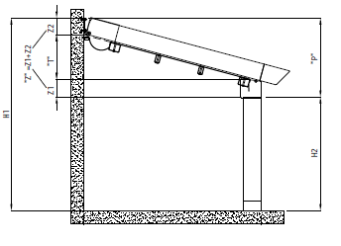
Explanations: |  |  |  |  |  |  |  | Calculations: |  |  | P = Z + T
6) enter height = projection in mm |  |  |  |  |  |  |  | Pergola LUKA S : Z=Z1+Z2, ie.250mm |  |  | P = 250 + T
7) enter H size = complete height of pergola * |  |  |  |  |  |  |  | Pergola LUKA M : Z=Z1+Z2; ie.280mm |  |  | P = 280 + T
8) enter H2 size = passage height of pergola * |  |  |  |  |  |  |  |  |  |  | P = H1 - H2
max. height H2 for Pergola LUKA S = 2,5m. |  |  |  |  |  |  |  | P - minimal pergola inclination
max. height H2 for Pergola LUKA M = 2,5m. |  |  |  |  |  |  |  | Z - profile height
* enter H1 size and deducts H2 size according to the sheet "Inclination calculation" or vice versa |  |  |  |  |  |  |  | T - fabric inclination
9) enter control position seen from exterior view
 |  |  |  |  |  |  |  | see sheet "Inclination calculation"

General business terms and Complaint Procedure terms are expressly valid for mutual business between Isotra a.s. and the customer. All terms are available here:
http://www.isotra.com/complaint-procedure |  |  |  | http://www.isotra.com/general-business-terms
Valid from: 01. 03. 2020

INSTRUCTIONS PERGOLA
Ofder form Pergola

Product code
abbreviation | name | note
LUKA S | Fabric Pergola |  | Fabric Pergola - LUKA S
LUKA S/D | Fabric Pergola |  | front view |  | side view
LUKA M | Fabric Pergola
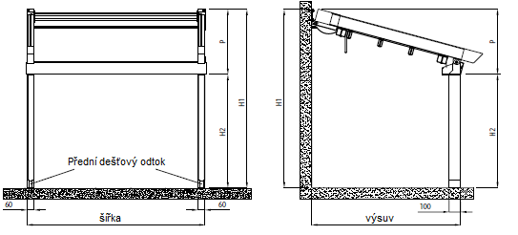
LUKA M/D | Fabric Pergola

Product type
abbreviation | name | note
LUKA S | Fabric Pergola SMALL | small
LUKA S/D | Fabric Pergola SMALL DOUBLE | small double
LUKA M | Fabric Pergola MEDIUM | medium
LUKA M/D | Fabric Pergola MEDIUM DOUBLE | medium double

Control position
abbreviation | name | note
L | Left
P | Right
L/P | Left and Right | only for DOUBLE pergola option

Control type
abbreviation | name | note
MV50 | motor Vectran 50 WT
Msio | motor Sunilus iO 50/12 |  | Fabric Pergola - LUKA M
MA50 | motor Altus 50 RTS |  | front view |  | side view
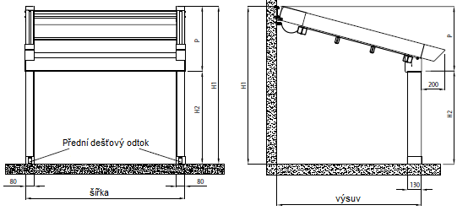
M2xV50SJ | 2 motors Vectran 50WT + synchonizing unit | only for DOUBLE pergola option

Fabric color
abbreviation | name | note
2012C | fabric S 502-2012C GREEN BEIGE
2135C | fabric S 502-2135C GREY BEIGE
2137C | fabric S 502-2137C DARK BROWN
2138C | fabric S 502-2138C METALLIC GOLD
2141C | fabric S 502-2141C LIGHT BROWN
2148C | fabric S 502-2148C BROWN
2152C | fabric S 502-2152C METALLIC BROWN
2158C | fabric S 502-2158C LIGHT GREEN
2167C | fabric S 502-2167C DARK GREY
2168C | fabric S 502-2168C METALLIC GREY
2171C | fabric S 502-2171C LIGHT GREY
50265C | fabric S 502-50265C DARK BEIGE
50668C | fabric S 502-50668C DARK GREEN
50669C | fabric S 502-50669C GREEN BROWN
50671C | fabric S 502-50671C SANDY
50674C | fabric S 502-50674C LIGHT YELLOW
8102C | fabric S 502-8102C WHITE
8255C | fabric S 502-8255C RED
8284C | fabric S 502-8284C BORDO
8341C | fabric S 502-8341C IVORY
8450C | fabric S 502-8450C ANTHRACITE
8861C | fabric S 502-8861C BEIGE
716739 | fabric SO 716739 BROWN
716833 | fabric SO 716833 GREY
78410 | fabric SO 78410 WHITE
78683 | fabric SO 78683 BEIGE

Color of coated components
abbreviation | name | note
1003RAL | RAL yellow (signal yellow) 1003
1013RAL | RAL yellow (oyster white) 1013 | standard
1014RAL | RAL yellow (ivory) 1014
1015RAL | RAL yellow (ivory) 1015
1021RAL | RAL yellow (rapeseed) 1021
2001RAL | RAL orange (red-orange) 2001
2003RAL | RAL orange (pastel) 2003
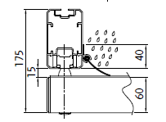
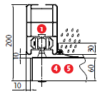
3000RAL | RAL red (fire) 3000 |  | Cover profile for LUKA S pergola |  |  | Cover profile for LUKA M pergola
3005RAL | RAL red (wine) 3005
3020RAL | RAL red (signal) 3020
5003RAL | RAL blue (sapphire) 5003
5005RAL | RAL blue (signal) 5005
5009RAL | RAL blue (cyan) 5009
5011RAL | RAL blue (steel blue) 5011
5014RAL | RAL blue (grey) 5014
5015RAL | RAL blue (sky) 5015
6002RAL | RAL green ( leaf ) 6002
6003RAL | RAL green ( olive ) 6003
6005RAL | RAL green ( moss ) 6005
6010RAL | RAL green ( grass ) 6010 |  | Bracket for Pergola LUKA S
6019RAL | RAL green ( white-green ) 6019 |  |  | wall bracket |  | ceiling bracket
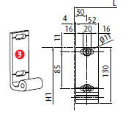
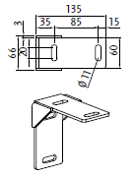
6021RAL | RAL green ( pale-green ) 6021
7001RAL | RAL grey ( silver ) 7001
7009RAL | RAL grey ( grass ) 7009
7011RAL | RAL grey ( steel-grey ) 7011
7015RAL | RAL grey (slate) 7015
7016RAL | RAL grey ( anthracite ) 7016
7021RAL | RAL grey ( black-grey ) 7021
7024RAL | RAL grey ( graphite ) 7024
7035RAL | RAL grey ( light-grey ) 7035
7044RAL | RAL grey ( silk ) 7044
8003RAL | RAL brown ( clay ) 8003
8011RAL | RAL brown ( nut ) 8011
8012RAL | RAL brown ( red-brown ) 8012 |  | Bracket for Pergola LUKA M
8014RAL | RAL brown ( sepia ) 8014 |  |  | wall bracket
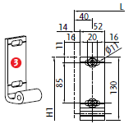
8017RAL | RAL brown ( chocolate ) 8017
8019RAL | RAL brown ( grey-brown ) 8019
9001RAL | RAL white ( creamy ) 9001
9003RAL | RAL white 9003 | standard
9005RAL | RAL black (dark-black) 9005
9006RAL | RAL silver 9006
V01RAL | RAL pearl silver V01 | standard for Pergola LUKA M a LUKA M/D
V02RAL | RAL Bronzo Antico V02 | standard
V05RAL | RAL black sandy V05 | standard

Cover profile
abbreviation | name | note
A | Yes
N | No |  |  | Pole 100/60 for pergola LUKA S |  | Pole 130/80 for pergola LUKA M
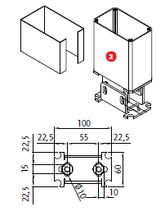
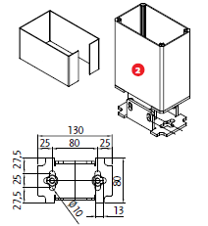
Brackets
abbreviation | name | note
STR | ceiling | for pergola LUKA S a LUKA S/D
S | wall

Pole type
abbreviation | name | note
0 | None - without pole
100/60 | Stojka 100/60
130/80 | Stojka 130/80

Roof connection
abbreviation | name | note
A | Yes | only for Double pergolas
N | No

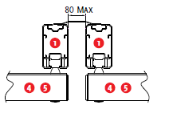
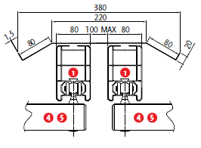
Al roof |  |  | Roof connection for LUKA S |  | Roof connection for LUKA M
abbreviation | name | note
N | No
A<3m | Yes up to 3m projection | for pergola LUKA S and LUKA S/D
A>3m | Yes above 3m projection | for pergola LUKA S and LUKA S/D
A<4m | Yes up to 4m projection | for pergola LUKA M and LUKA M/D
A>4m | Yes above 4m projection | for pergola LUKA M and LUKA M/D

Lights
abbreviation | name | note
0 | None
Lp | LED tape - front profile
L | LED lights = spotlight - sliding profile
LL | LED bar - sliding profile

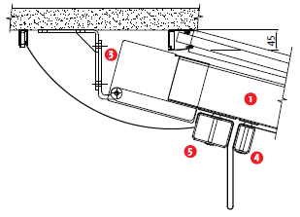
 |  |  | Al roof
Valid from: 01. 03. 2020

 |  |  | Al stříška
 |  |  | guiding profile
 |  |  | pole
 |  |  | wall bracket
 |  |  | sliding profile middle
 |  |  | sliding profile end
 |  |  | gutter profile

