Pergola
ISOTRA a.s.
Bílovecká 2411/1, 746 01 Opava |  |  |  |  |  |  |  |  |  |  |  | TEL.: +420 553 685 101 | FAX: +420 553 685 110 |  |  |  |  |  |  |  |  |  |  | www.isotra.cz
Order form Pergola
Pergola

Order |  |  |  |  |  |  |  |  |  |  |  | Customer
Order No.: |  |  |  |  |  |  |  |  |  |  |  | Name:
 |  |  |  |  |  |  |  |  |  |  |  | VAT:
Order date. |  |  |  |  |  |  |  |  |  |  |  | Invoice address:

Telephone:
 |  |  |  |  |  |  |  |  |  |  |  | Delivery address:
Dispatch date.

Position | Quantity | Product code | Product type | Width (mm) | Length = ejection (mm) | Height (mm) | Color of coated components | Slats color | View direction | Control position | Control type | pole type | Additional pole | Coupled pergolas | pole 1 | pole 2 | pole 3 | pole 4 | Wall attachment | LED lights | Rain sensor | Thermo sensor | Anti-snow system
1 | 2 | 3 | 4 | 5 | 6 | 7 | 8 | 9 | 10 | 11 | 12 | 13 | 14 | 15 | 16 | 17 | 18 | 19 | 20 | 21 | 22 | 23 | 24

Note:

Explanations:
MIRA 4 - minimum 2 pcs of poles on one side |  |  |  |  |  |  |  |  | PERGOLA MIRA 2 |  |  |  |  |  |  |  | PERGOLA MIRA 4
6) enter length (extension) in mm, see sheet "Instructions Pergola"
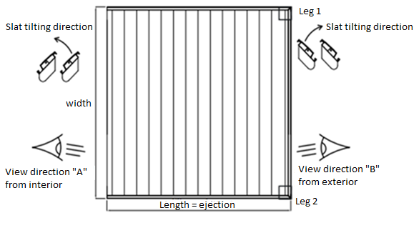
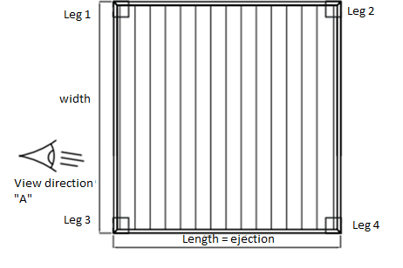
7) enter Height H = total height of pergola in mm, see sheet "Instructions Pergola"
10) enter view direction, see pictures on the sheet "Instructions Pergola"
14) for additional pole you shall specify its position in a note
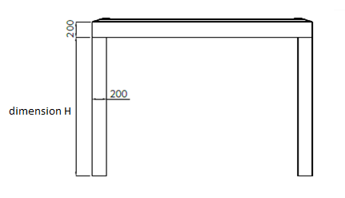

General business terms and Complaint Procedure terms are expressly valid for mutual business between Isotra a.s. and the customer. All terms are available here:
http://www.isotra.com/complaint-procedure |  |  |  |  | http://www.isotra.com/general-business-terms

Valid from: 22.8.2019

Instructions Pergola
Order form Pergola

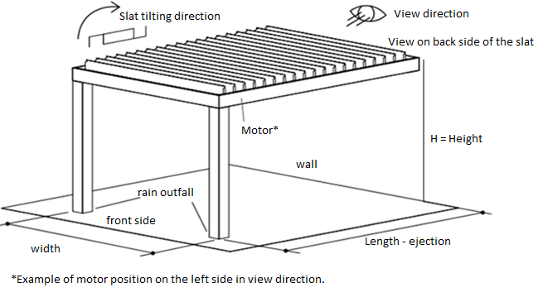
Product code |  |  | PERGOLA MIRA 2
abbreviation | name | note
MIRA2
MIRA4

Product type
abbreviation | name | note
MIRA 2 | MIRA 2
MIRA 2L | MIRA 2 with LED lights
MIRA 2S | MIRA 2 with Anit-Snow system
MIRA 2L/S | MIRA 2 with LED lights and Anti-Snow system
MIRA 4 | MIRA 4 | minimum 2 pcs of poles on one side
MIRA 4L | MIRA 4 with LED lights | minimum 2 pcs of poles on one side
MIRA 4S | MIRA 4 with Anit-Snow system | minimum 2 pcs of poles on one side
MIRA 4L/S | MIRA 4 with LED lights and Anti-Snow system | minimum 2 pcs of poles on one side

Color of coated components
abbreviation | name | note
1003RAL | RAL yellow (signal yellow) 1003
1013RAL | RAL yellow (oyster white) 1013
1014RAL | RAL yellow (ivory) 1014
1015RAL | RAL yellow (ivory) 1015
1021RAL | RAL yellow (rapeseed) 1021
2001RAL | RAL orange (red-orange) 2001
2003RAL | RAL orange (pastel) 2003
3000RAL | RAL red (fire) 3000
3005RAL | RAL red (wine) 3005
3020RAL | RAL red (signal) 3020
5003RAL | RAL blue (sapphire) 5003
5005RAL | RAL blue (signal) 5005
5009RAL | RAL blue (cyan) 5009 |  | PERGOLA MIRA 4
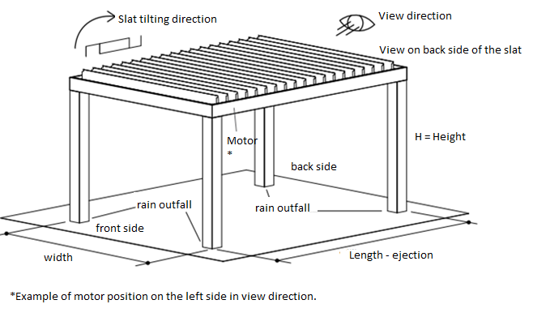
5011RAL | RAL blue (steel blue) 5011
5014RAL | RAL blue (grey) 5014
5015RAL | RAL blue (sky) 5015
6002RAL | RAL green ( leaf ) 6002
6003RAL | RAL green ( olive ) 6003
6005RAL | RAL green ( moss ) 6005
6010RAL | RAL green ( grass ) 6010
6019RAL | RAL green ( white-green ) 6019
6021RAL | RAL green ( pale-green ) 6021
7001RAL | RAL grey ( silver ) 7001
7009RAL | RAL grey ( grass ) 7009
7011RAL | RAL grey ( steel-grey ) 7011
7015RAL | RAL grey (slate) 7015
7016RAL | RAL grey ( anthracite ) 7016 | standard
7021RAL | RAL grey ( black-grey ) 7021
7024RAL | RAL grey ( graphite ) 7024
7035RAL | RAL grey ( light-grey ) 7035
7044RAL | RAL grey ( silk ) 7044
8003RAL | RAL brown ( clay ) 8003
8011RAL | RAL brown ( nut ) 8011
8012RAL | RAL brown ( red-brown ) 8012
8014RAL | RAL brown ( sepia ) 8014 | standard
8017RAL | RAL brown ( chocolate ) 8017
8019RAL | RAL brown ( grey-brown ) 8019
9001RAL | RAL bílá ( creamy ) 9001
9003RAL | RAL white 9003 | standard
9006RAL | RAL silver 9006 | standard
V01RAL | RAL pearl silver V01 | standard
V02RAL | RAL Bronzo Antico V02
V030RAL | RAL Sabbia V030
V031RAL | RAL Tortora V031
V05RAL | RAL black sandy V05 | standard

Slats color
abbreviation | name | note
1003RAL | RAL yellow (signal yellow) 1003
1013RAL | RAL yellow (oyster white) 1013
1014RAL | RAL yellow (ivory) 1014
1015RAL | RAL yellow (ivory) 1015
1021RAL | RAL yellow (rapeseed) 1021
2001RAL | RAL orange (red-orange) 2001
2003RAL | RAL orange (pastel) 2003
3000RAL | RAL red (fire) 3000
3005RAL | RAL red (wine) 3005
3020RAL | RAL red (signal) 3020
5003RAL | RAL blue (sapphire) 5003
5005RAL | RAL blue (signal) 5005
5009RAL | RAL blue (cyan) 5009
5011RAL | RAL blue (steel blue) 5011
5014RAL | RAL blue (grey) 5014
5015RAL | RAL blue (sky) 5015
6002RAL | RAL green ( leaf ) 6002
6003RAL | RAL green ( olive ) 6003
6005RAL | RAL green ( moss ) 6005
6010RAL | RAL green ( grass ) 6010
6019RAL | RAL green ( white-green ) 6019
6021RAL | RAL green ( pale-green ) 6021
7001RAL | RAL grey ( silver ) 7001
7009RAL | RAL grey ( grass ) 7009
7011RAL | RAL grey ( steel-grey ) 7011
7015RAL | RAL grey (slate) 7015
7016RAL | RAL grey ( anthracite ) 7016 | standard
7021RAL | RAL grey ( black-grey ) 7021
7024RAL | RAL grey ( graphite ) 7024
7035RAL | RAL grey ( light-grey ) 7035
7044RAL | RAL grey ( silk ) 7044
8003RAL | RAL brown ( clay ) 8003
8011RAL | RAL brown ( nut ) 8011
8012RAL | RAL brown ( red-brown ) 8012
8014RAL | RAL brown ( sepia ) 8014 | standard
8017RAL | RAL brown ( chocolate ) 8017
8019RAL | RAL brown ( grey-brown ) 8019
9001RAL | RAL bílá ( creamy ) 9001
9003RAL | RAL white 9003 | standard
9006RAL | RAL silver 9006 | standard
V01RAL | RAL pearl silver V01 | standard
V02RAL | RAL Bronzo Antico V02
V030RAL | RAL Sabbia V030
V031RAL | RAL Tortora V031
V05RAL | RAL black sandy V05 | standard

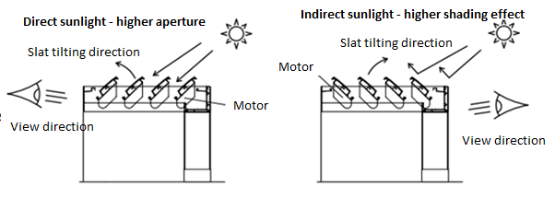
View direction |  |  | PERGOLA MIRA 2
abbreviation | name | note
A | view direction "A"
B | view direction "B"

Control position
abbreviation | name | note
L | left
P | right

Control type
abbreviation | name | note
1/7 | Remote control 1 channel / 7 functions
6/42 | Remote control 6 channel / 42 functions
0 | Není

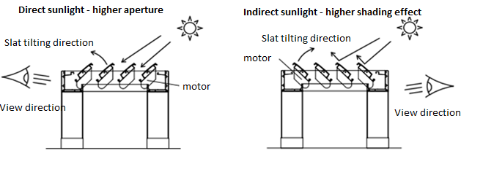
pole type |  |  | PERGOLA MIRA 4
abbreviation | name | note
130/130 | pole 130/130
200/200 | pole 200/200

Additional pole
abbreviation | name | note
0 | NONE - delivered without pole
130/80 | additional pole 130/80 | for additional pole it necessary to write a note about its position
130/130 | additional pole 130/130 | for additional pole it necessary to write a note about its position
200/200 | additional pole 200/200 | for additional pole it necessary to write a note about its position

Coupled pergolas
abbreviation | name | note
0 | no coupling
VS | lateral coupling
ZS | frontal coupling

pole 1
abbreviation | name | note
A | Yes
N | No

pole 2
abbreviation | name | note
A | Yes
N | No

pole 3
abbreviation | name | note
A | Yes
N | No

pole 4
abbreviation | name | note
A | Yes
N | No

Wall attachment
abbreviation | name | note
A | Yes | option for Pergola MIRA 2
N | No | option for Pergola MIRA 4

LED Lights
abbreviation | name | note
A | Yes
N | No

Rain sensor
abbreviation | name | note
A | Yes
ANO LED | Yes | variant for Pergolas with LED lights and with LED lights and Anti-Snow systém
N | No

Thermo senson
abbreviation | name | note
A | Yes
N | No

Anti-snow system
abbreviation | name | note
A | Yes
N | No

Valid from: 22.8.2019

